MySQL Intro
 | Two important components in any database system (DBMS) that we work with:
1 | Database Server - Eg- MySql, MS-Access, SQL Server, IBM DB2, Oracle, PostgreSQL, etc.
2 | GUI Tool (client) that we'll provide us an interface to work on the database |  |  |  |  | Quiz
 | Eg. | In Access, you've Design View / Datasheet / SQL view - part of GUI tool |  |  | 1 | Is MySQL a database or a database server?
 |  |  |  |  |  | Server | It can host multiple databases.
 |  |  |  |  | 2 | Is MySQL Workbench a reporting tool like Excel?
 | In MySQL, |  |  |  |  | No, it's a GUI tool to connect with the DB server (MySQL).
 |  | GUI Tool: | MySQL Workbench. To run Workbench, just click on the MySQL Workbench app in your computer |  | 3 | DDL statements can be reversed.
 |  | Database Server: | MySQL Server. The database server might already be running. Search for "Services" in your winows / Linux search. And lookfor MySql80 service, ensure it is running. |  |  | No, the changes can't be undone. Eg - if you've dropped a table, you can't get it back.
 |  |  |  |  | 4 | How do we see the E-R-Diagram in MySQL?
 | Database Server can host multiple databases (Schemas). Eg: |  |  |  |  | Reverse Engineer - Database
 |  | You can host Books Database, Cakes and Fudges Database, Banks Database in one database server. |  |  | 5 | What are common data types supported by most of the databases?
 |  | Each db can host multiple tables. |  |  |  | 1 | Number |  | INT, Double, Decimal, ..
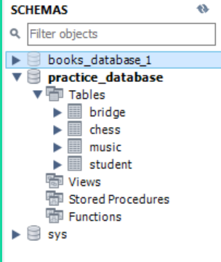
 |  |  |  |  |  | 2 | Text / String |  | Char / VarChar
 |  |  |  |  |  | 3 | Date / Date time |  | Date / DateTime
 |  |  |  |  |  | 4 | Boolean / Binary |  | Boolean
 |  |  |  |  | 6 | SQL Statement Types:
 |  |  |  |  |  |  | DDL | Data Definition Language - Design / Create the databases / tables / views
 |  |  |  |  |  |  | DML | Data Manipulation Language - Add / manipulate / query the data.
 |  |  |  | In each db, we can have multiple tables. Eg - Practice Database has 4 tables. (Bridge, Chess, Music, Student) |  |  | DCL | Data Control Language
 |  |  |  |  | 7 | Can we insert a new row using Alter Add command?
 |  |  |  |  |  | No. We need to use Insert.
 |  |  |  |  | 8 | Can we add more than one row at a time using Insert?
 |  |  |  |  |  | Yes. Eg. INSERT INTO Student(ID, FullName, Mtest)
 |  |  |  |  |  |  | VALUES(999,"Ivy", 99), (1099, "Eeshani", 100);
 |  |  |  |  | 9 | Can we import data from an Excel file into MySQL without creating the tables in MySQL?
 |  |  |  |  | 10 | Which command helps us to delete all the rows from a table?
 |  |  |  |  |  | Truncate or Delete without any condition.
 |  |  |  |  | 11 | Can we use Alter Table Modify to change somebody's last name in a table?
 |  |  |  |  |  | Update and not Alter.

 | Import / Export Data - into MYSQL
 | How to import data from an external table into MySQL tables. Eg - import Excel CSV data into a new table in MySql.

Data Types
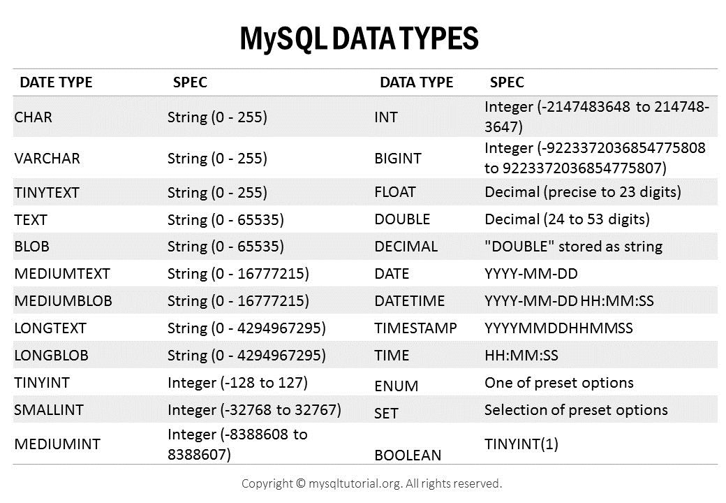
MS-Access Data Types

LIKE
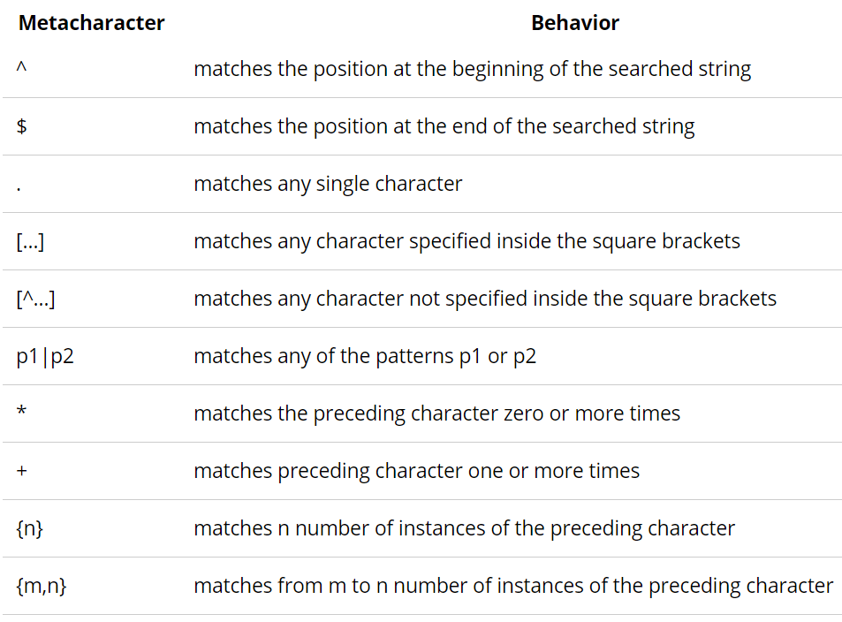
= | Exact Matcher |  | LIKE
Like | Pattern Matcher
Not Like | Pattern Matcher |  | WHERE PH LIKE '99031*' |  |  |  | Student
SELECT ID, SName FROM Student WHERE Sname LIKE 'S*' SELECT ID, SName FROM Student WHERE Sname LIKE '?S*' SELECT ID, Sname FROM Student WHERE Sname LIKE 'a[a, e, c]d' SELECT ID, SNAME FROM Student WHERE Sname LIKE 'a[!(b,f,g)]#' "Tip - Don't use "!" if position is not defined. Ex - Don't use - FN Like "*[!R]*" |  |  | WHERE PH LIKE '99031#####' |  |  |  | SID | Sname | Sadd | Sgender | Mtest
 |  |  | WILDCARD OPERATORS |  |  |  | 1 | Matt | Kolk | M | 83 |  | LIKE PATTERN MATCHER OPTIONS
 |  |  | MS-SQL |  |  | MySQL | 2 | Sam | Kolk | M | 83 |  | Kind of match | Pattern | Match | No match
 |  |  | * | Any length alphanumeric string, including a zero length string |  | % | 3 | Ram | Kolk | M | 83 |  |  |  | (returns True) | (returns False)
 |  |  | ? | Replaced with 1 Char (incl - alhabets, spl characters, numbers, etc.) |  | _ | 4 | Sita | Kolk | F | 95 | 1 | Multiple characters | a*a | aa, aBa, aBBBa | aBC
 |  |  | # | Any single digit (0-9) |  |  | 5 | Ali | Kolk | M | 100 | 2 |  | *ab* | abc, AABB, Xab | aZb, bac |  | Prateek
 |  |  | [a-f] | Replaced w/ 1 Char between a & f |  | RegExp | 6 | Faizal | Kolk | M | 83 | 3 | Special character | a[*]a | a*a | aaa | [*]ab* | Pra*$%k | Pra[*]$%k
 |  |  | [!(a-f)] | Replaced w/1 Char not between a & f |  | RegExp | 7 | Waseem | Kolk | M | 91 | 4 | Multiple characters | ab* | abcdefg, abc | cab, aab
 |  |  |  |  |  |  | 8 | Sayan | Kolk | M | 86 | 5 | Single character | a?a | aaa, a3a, aBa | aBBBa |  | Select Pwd
 |  |  | Right |  |  |  | 9 | Ritu | Kolk | F | 85 | 6 | Single digit | a#a | a0a, a1a, a2a | aaa, a10a |  | From Credentials
 |  |  | aad or aed or acd |  |  |  | 10 | Ishita | Kolk | F | 97 | 7 | Range of characters | [a-z] | f, p, j | 2, & |  | WHERE Login = 'prateekagrawal@gmail.com'
 |  |  |  |  |  |  |  |  |  |  |  | 8 | Outside a range | [!(a-z)] | 9, &, % | b, a
 |  |  | Right | Wrong |  |  |  |  | '??bc' |  | '[p-s]*' | 9 | Not a digit | [!(0-9)] | A, a, &, ~ | 0, 1, 9
 |  |  | ->> aa3 | -> ab3 |  |  |  |  | '[a-z][a-d]bc' |  |  | 10 | Combined | a[!(b-m)]# | An9, az0, a99 | abc, aj0
 |  |  |  |  | SELECT * FROM Student WHERE (Mtest+Ptest)/2 > 90 SELECT * FROM Student WHERE Round(8.89,1) > 2 SELECT WeekDay(Dob) IN (4,7) FROM Student WHERE WeekDay(DOB) IN (4,7) SELECT * FROM Student WHERE Mtest = 80 or Mtest = 90
 |  |  | Find Difference?
 |  |  | Like '[a-z][a-z]b'
 |  |  | LIKE '??b'

PAN LIKE 'AA##??##??'
*s* |  | contains 's'
AA354R32RE
PAN LIKE 'AA##[a-z][a-z]##??'
FullName LIKE '*Kumar*'

Regular Expression in MySQL
Used for: | Complex pattern matching, which goes beyong % and _
 | Eg- You want to get the names that contain "e" or "r" in the third position but doen't contain "z" in the third position.
 | Or, names that start with letters "a" or "r"
 | Or, names that end with "a" or "r"

How?
 | Use RegExp or Rlike commands. Would advise to use RegExp to avoid any confusion with Like / not Like.

Syntax
 | SELECT | FullName |  | Will give fullname that contain A or R somewhere
 | FROM | Customer
 | WHERE | FullName RegExp "[a, r]"

Patterns allowed:

Outer Join
 | Join |  |  |  |  |  |  |  |  |  |  | Left Outer Join -> All the M.I., incl the studs who are playing them, and the M.I. | Right Outer Join -> All the students, incl the studs who are playing M.I. and the type of M.I. they are playing |  | FullJoin | Simple Join | Simple cartesian product between the two tables. Will not have much application in this example.
 |  | Inner Join (Natural Join), Outer Join (Right and Left) |  |  |  |  |  |  |  |  |  | which nobody is playing. |  |  |  | Inner Join | The list of FD customers who have taken Loan, and the
 |  |  | Student |  |  |  |  |  |  |  |  |  |  |  |  |  | amount of loan they have taken.
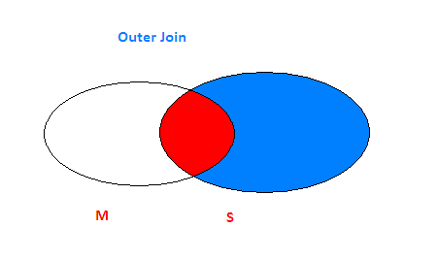
SELECT b.ID, Name, Mtest FROM Tab1 AS a, Tab2 AS b Where a.ID = b.ID SELECT FROM Student, Music | <- Natural Join
 |  |  | Tab1 |  |  |  | Tab2 |  |  |  | An Outer Join is a join operation that includes rows that have a match, plus rows that do not have a match in the other table. |  |  |  |  | Left Outer | The complete list of FD customers, including the FD customers
 |  | ID | Mtest |  |  | ID | Name | City |  |  |  |  |  |  |  |  | who have taken loan and the amount of loan they have taken
 |  | A | 11 | X |  | A | ab | aaa | SELECT S.ID, FullName, Type FROM Student S, Music M WHERE S.ID = M.ID UNION SELECT ID, FullName, '' FROM Student WHERE ID NOT IN (SELECT ID FROM Music)
 |  | B | 22 |  |  | B | bb | bbb |  |  |  |  |  |  |  | Right Outer | The complete list of loan customers, including the loan customers
 |  | C | 33 |  |  |  |  |  |  |  |  |  |  |  |  |  | who have opened FD account and the amount of FD they have given.

 |  |  | Cartesian Product - Result Table |  |  |  |  |  |  |  |  |  |  |  |  | Full Outer | All the FD and Loan customers, including the customers who have taken both loan and FD
 |  |  | Tab1.ID | Mtest | Tab2.ID | Name | City |  |  |  |  |  |  |  |  |  | and the customers who have taken only either of the two.
 |  |  | A | 11 | A | ab | aaa
 |  |  | A | 11 | B | bb | bbb |  |  |  |  |  |  | Complete list of Loan Customers |  | Syntaxes:
 |  |  | B | 22 | A | ab | aaa |  |  |  |  |  |  |  | Loan - FD | Inner Join | Select FD.custID, FirstName, LastName, FD_Amt, Loan_Amt
 |  |  | B | 22 | B | bb | bbb |  |  |  |  |  |  |  | union |  | FROM FD, Loan WHERE FD.custID = Loan.custID
 |  |  | C | 33 | A | ab | aaa |  |  |  |  |  |  |  | Loan Intersect FD
 |  |  | C | 33 | B | bb | bbb |  |  | Right Join |  |  |  |  |  | Using INNER JOIN | SELECT FD.custID, FirstName, LastName, FD_Amt, Loan_Amt
 |  |  |  |  |  |  |  |  |  | (M Intersection S) Union (S Difference M) |  |  |  |  |  |  | FROM FD INNER JOIN Loan ON FD.CustID = Loan.custID

 |  |  |  |  |  |  |  |  |  |  |  |  |  |  |  | Left Outer | (FD Intersection Loan) Union (FD difference Loan)
 |  |  |  |  |  |  |  |  |  |  |  |  |  |  |  | Manual Syantax for Left Join | Select FD.custID, FirstName, LastName, FD_Amt, Loan_Amt
 |  |  |  |  |  |  |  |  |  |  |  |  |  |  |  |  | FROM FD, Loan WHERE FD.custID = Loan.custID
 |  |  |  |  |  |  |  |  |  |  |  |  |  |  |  |  | Union
 |  |  |  |  |  |  |  |  |  |  |  |  |  |  |  |  | SELECT custID, Firstname, LastName, FD_Amt, ""
 |  |  |  |  |  |  |  |  |  |  |  |  |  |  |  |  | FROM FD
 |  |  |  |  |  |  |  |  |  |  |  |  |  |  |  |  | WHERE custID NOT IN (SELECT custID FROM Loan)

 |  |  |  |  |  |  |  |  |  |  |  |  |  |  |  | Using Left Join | Select FD.custID, FirstName, LastName, FD_Amt, Loan_Amt
 |  |  |  |  |  |  |  |  |  |  |  |  |  |  |  |  | FROM FD LEFT JOIN Loan ON FD.custID = Loan.custID

 |  |  |  |  |  |  |  |  |  |  |  |  |  |  |  | Right Outer | (FD Intersection Loan) Union (Loan difference FD)
 |  |  |  |  |  |  |  |  |  |  |  |  |  |  |  | Manual Syantax for Right Join | Select FD.custID, FirstName, LastName, FD_Amt, Loan_Amt
 |  |  |  |  |  |  |  |  |  |  |  |  |  |  |  |  | FROM FD, Loan WHERE FD.custID = Loan.custID
 |  |  |  |  |  |  |  |  |  |  |  |  |  |  |  |  | Union
 |  |  |  |  |  |  |  |  |  |  |  |  |  |  |  |  | SELECT custID, Firstname, LastName, "", Loan_Amt
 |  |  |  |  |  |  |  |  |  |  |  |  |  |  |  |  | FROM Loan
 |  |  |  |  |  |  |  |  |  |  |  |  |  |  |  |  | WHERE custID NOT IN (SELECT custID FROM FD)

 |  |  |  |  |  |  |  |  |  |  |  |  |  |  |  | Using Right Join | Select FD.custID, FirstName, LastName, FD_Amt, Loan_Amt
 |  |  |  |  |  |  |  |  |  |  |  |  |  |  |  |  | FROM FD Right JOIN Loan ON FD.custID = Loan.custID

 |  |  |  |  |  |  |  |  |  |  |  |  |  |  |  | Full Join | (Left Outer Union Right Outer)
 |  |  |  |  |  |  |  |  |  |  |  |  |  |  |  |  | Select FD.custID, FirstName, LastName, FD_Amt, Loan_Amt
 |  |  |  |  |  |  |  |  |  |  |  |  |  |  |  |  | FROM FD LEFT JOIN Loan ON FD.custID = Loan.custID
 |  |  |  |  |  |  |  |  |  |  |  |  |  |  |  |  | Union
 |  |  |  |  |  |  |  |  |  |  |  |  |  |  |  |  | Select FD.custID, FirstName, LastName, FD_Amt, Loan_Amt
 |  |  |  |  |  |  |  |  |  |  |  |  |  |  |  |  | FROM FD Right JOIN Loan ON FD.custID = Loan.custID

